Cooling Tower - Make Up Water
Project Name | : Microsoft Building |  |  |  | Computed by: | MIA
Location | : Narnia |  |  |  | Checked by: | SSK
Equipment | CT - 01 |  |  |  | Approved by: | AMK

COOLING TOWER - MAKE UP WATER CALCULATION

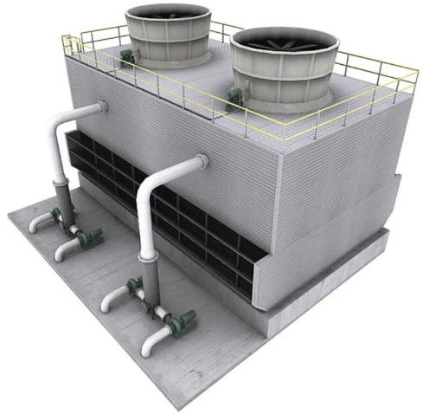


 |  |  |  |  |  |  | Website | : | https://www.hvacsimplified.in
 |  |  |  |  |  |  | YouTube | : | https://www.youtube.com/c/HVACSimplifiedOnlineTrainingByAMK/featured
 |  |  |  |  |  |  | Email | : | info@hvacsimplified.in
 |  |  |  |  |  |  | Instagram | : | https://www.instagram.com/hvac_simplified/
 |  |  |  |  |  |  | LinkedIn | : | https://www.linkedin.com/company/hvac-simplified/?viewAsMember=true
 |  |  |  |  |  |  | Facebook | : | https://m.facebook.com/HVAC.SIMPLIFIED/?ref=bookmarks

 | Cooling Tower Make-Up Water Calculations (ASHRAE DCG)

 | S.NO | PARAMETER |  |  | DATA

 | A | INPUT DATA
 | 1 | Water flow rate | Q | m3/h | 409.0
 | 2 | Cycle of concentration | C | C | 4.0
 | 3 | Inlet temperature of water | ti | deg C | 35.0
 | 4 | Outlet temperature of water | to | deg C | 29.4

 | B | OUTPUT DATA
 | 5 | Tower temperature range(deg C) | ∆T | ti-to | 5.6
 | 6 | Evaporation (m3/h) | E | 0.0014 x Q x ∆T | 3.2
 | 7 | Drift loss (m3/h) | D | 0.0002 x Q | 0.1
 | 8 | Blow down (m3/h) | B | E - [(C-1) X D] /(C-1) | 1.0
 |  | Total amount of make up water (m3/h) | m3/h | E + D + B | 4.2

