Chiller Performance Cal.
Chiller Perfomance Calculation Sheet

 |  |  |  |  |  |  |  |  |  |  | Website | : | https://www.hvacsimplified.in
Project Name | : ARCH TOWER |  |  |  |  | Floor : ROOF |  |  | Computed by: | MIA | YouTube | : | https://www.youtube.com/c/HVACSimplifiedOnlineTrainingByAMK/featured
Location | : XXXXX |  |  |  |  | Zone : 2BB |  |  | Checked by: | SSK | Email | : | info@hvacsimplified.in
Equipment | : CHILLER-01 |  |  |  |  | Date : 02-02-22 |  |  | Approved by: | AMK | Instagram | : | https://www.instagram.com/hvac_simplified/
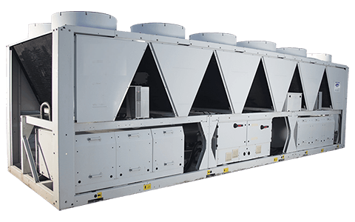
 |  |  |  |  |  |  |  |  |  |  | LinkedIn | : | https://www.linkedin.com/company/hvac-simplified/?viewAsMember=true
Input Design Data |  |  |  |  |  |  |  |  |  |  | Facebook | : | https://m.facebook.com/HVAC.SIMPLIFIED/?ref=bookmarks

Chiller Capacity | : | 1758.43 | kW
 | : | 500.00 | TR
 | : | 6000012.2119 | BTU/h

Power Input | : | 570 | kW

 |  |  |  |  |  |  |  | COP : The Coefficient of performance is just a ratio of the refrigeration effect produced by the chiller against the amount of electrical energy that went into the machine.
 |  |  |  | COP | = | kW refrigeration effect
C.O.P |  | = |  |  |  | kW Input

 |  |  |  | COP | = | 1758.43 | 3.08
 |  |  |  |  |  | 570

 |  |  |  |  |  |  |  | EER : TThe Energy Efficiency Ratio (EER) is the ratio of the cooling capacity achieved in the evaporator to the total electrical energy (kW) consumed by the appliance in a refrigerator.
 |  |  |  | EER | = | BTU/hr refrigeration effect
E.E.R |  | = |  |  |  | Watts Input

 |  |  |  | EER | = | 6000012 | 10.53
 |  |  |  |  |  | 570000

 |  |  |  |  |  |  |  | kW / Ton : Its is simple. Kw/ton is power consumption of chiller/tonnage of refrigiration of chiller in tons.
 |  |  |  | kW/Ton | = | 570
kW / Ton |  | = |  |  |  | 500.00

 |  |  |  | kW/Ton | = | 570 | 1.14
 |  |  |  |  |  | 500.00

 |  | Website | : | https://www.hvacsimplified.in
 |  | YouTube | : | https://www.youtube.com/c/HVACSimplifiedOnlineTrainingByAMK/featured
 |  | Email | : | info@hvacsimplified.in
 |  | Instagram | : | https://www.instagram.com/hvac_simplified/
 |  | LinkedIn | : | https://www.linkedin.com/company/hvac-simplified/?viewAsMember=true
 |  | Facebook | : | https://m.facebook.com/HVAC.SIMPLIFIED/?ref=bookmarks

