IP Units
ASHRAE VENTILATION (Fresh Air) CALCULATOR
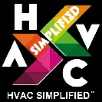
 |  |  |  |  |  |  |  |  |  | Website | : | https://www.hvacsimplified.in
Project Name | : ARCH TOWER |  |  |  |  | Floor : ROOF |  | Computed by: | MIA | YouTube | : | https://www.youtube.com/c/HVACSimplifiedOnlineTrainingByAMK/featured
Location | : XXXXX |  |  |  |  | Zone : 2BB |  | Checked by: | SSK | Email | : | info@hvacsimplified.in
Equipment | : CHILLER-01 |  |  |  |  | Date : 02-02-22 |  | Approved by: | AMK | Instagram | : | https://www.instagram.com/hvac_simplified/
 |  |  |  |  |  |  |  |  |  | LinkedIn | : | https://www.linkedin.com/company/hvac-simplified/?viewAsMember=true
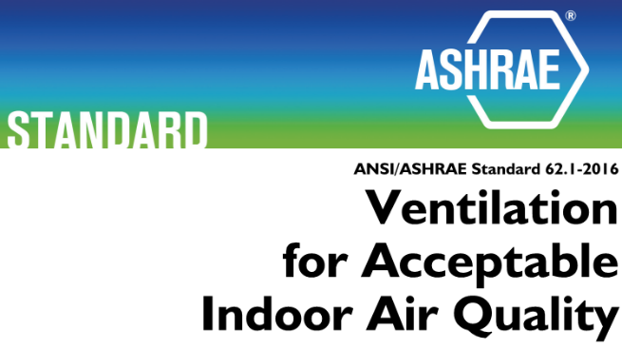
The outdoor airflow required in the breathing zone of the occupiable space or spaces in a ventilation zone shall be not less than the value determined in accordance with ASHRAE 62.1 Table 6.2.2.1 with relation to the Breathing Zone Outdoor Airflow Equation. |  |  |  |  |  |  |  |  |  | Facebook | : | https://m.facebook.com/HVAC.SIMPLIFIED/?ref=bookmarks

FRESH AIR CALCULATION FORMULA |  |  |  |  | = | CFM / Person + CFM / Sq.ft.

 |  |  | CFM / Person |  | = | 5 | ASHRAE 62.1 Ventilation Table
 |  |  | CFM / Sq.ft. |  | = | 0.06 | ASHRAE 62.1 Ventilation Table
 |  |  | Persons |  | = | 10 | No. of Persons as per Architecture Layout
 |  |  | Area (Sq.ft) |  | = | 500 | Area of the Zone as per Architecture Layout

 |  |  | CFM / Person |  | = | 50
 |  |  | CFM / Sq.ft. |  | = | 30

 |  |  | Fresh Air |  | = | 80 | CFM

 |  | Website | : | https://www.hvacsimplified.in
 |  | YouTube | : | https://www.youtube.com/c/HVACSimplifiedOnlineTrainingByAMK/featured
 |  | Email | : | info@hvacsimplified.in
 |  | Instagram | : | https://www.instagram.com/hvac_simplified/
 |  | LinkedIn | : | https://www.linkedin.com/company/hvac-simplified/?viewAsMember=true
 |  | Facebook | : | https://m.facebook.com/HVAC.SIMPLIFIED/?ref=bookmarks

Metric Units
ASHRAE VENTILATION (Fresh Air) CALCULATOR
 |  |  |  |  |  |  |  |  |  | Website | : | https://www.hvacsimplified.in
Project Name | : ARCH TOWER |  |  |  |  | Floor : ROOF |  | Computed by: | MIA | YouTube | : | https://www.youtube.com/c/HVACSimplifiedOnlineTrainingByAMK/featured
Location | : XXXXX |  |  |  |  | Zone : 2BB |  | Checked by: | SSK | Email | : | info@hvacsimplified.in
Equipment | : CHILLER-01 |  |  |  |  | Date : 02-02-22 |  | Approved by: | AMK | Instagram | : | https://www.instagram.com/hvac_simplified/
 |  |  |  |  |  |  |  |  |  | LinkedIn | : | https://www.linkedin.com/company/hvac-simplified/?viewAsMember=true
The outdoor airflow required in the breathing zone of the occupiable space or spaces in a ventilation zone shall be not less than the value determined in accordance with ASHRAE 62.1 Table 6.2.2.1 with relation to the Breathing Zone Outdoor Airflow Equation. |  |  |  |  |  |  |  |  |  | Facebook | : | https://m.facebook.com/HVAC.SIMPLIFIED/?ref=bookmarks

FRESH AIR CALCULATION FORMULA |  |  |  |  | = | CFM / Person + CFM / Sq.ft.

 |  |  | LPS / Person |  | = | 5 | ASHRAE 62.1 Ventilation Table
 |  |  | LPS / m² |  | = | 0.3 | ASHRAE 62.1 Ventilation Table
 |  |  | Persons |  | = | 10 | No. of Persons as per Architecture Layout
 |  |  | Area (m²) |  | = | 100 | Area of the Zone as per Architecture Layout

 |  |  | LPS / Person |  | = | 50
 |  |  | LPS / m² |  | = | 30

 |  |  | Fresh Air |  | = | 80 | LPS

 |  | Website | : | https://www.hvacsimplified.in
 |  | YouTube | : | https://www.youtube.com/c/HVACSimplifiedOnlineTrainingByAMK/featured
 |  | Email | : | info@hvacsimplified.in
 |  | Instagram | : | https://www.instagram.com/hvac_simplified/
 |  | LinkedIn | : | https://www.linkedin.com/company/hvac-simplified/?viewAsMember=true
 |  | Facebook | : | https://m.facebook.com/HVAC.SIMPLIFIED/?ref=bookmarks

